Timeline
Workbook Prepared by: Douglas Corkery (last updated Nov. 8, 2024)
Change Management Implemenation Schedule |  |  |  |  |  |  | \Living Timeline
Activity / Milestone / Deliverable | 2024 |  |  |  |  | 2025
 | Oct |  |  | Nov | Dec | Jan |  | Feb |  |  | Mar |  | Apr | May | June
Planning & Analysis Phase
ID All Impacted Providers - Master List
Develop End User Cutover Tactics
Master IDAM Cutover Schedule |  |  | Oct. 21
Comms Strategy, Tactics
Tactics, mediums, frequency, External, Internal |  |  |  |  |  |  |  |  |  | og |  |  |  |  |  | BCeID Big Bang Cutover | X
Forge Rock IDAM POC - Solution Determination
Support Planning
Forge Rock support alignment
Help Line, HelpMail, HelpTel#, Resourcing
Develop Materials
Comms Delivery
Telus Splash Page, Email campaign, instructions, confirmations, follow ups, validations, Stragglers & Stranded capture tactics
Master IDAM Cutover Schedule (Online Services) |  |  | Oct. 23 - Oct 27
BCeID to Forge Rock Implementation Go-Live Cutover Date |  |  |  |  |  | Jan. 15 |  |  | Feb. 22 (Sat) |  | JUNE Extension (EOM
Support Readiness
Comms
Telus help desk / BCEID help lines - vs Forge Rock support alignment |  |  |  |  |  |  |  |  |  |  |  |  |  |  |  | BCeID Big Bang Cutover | X
Implementation Rollout
General Availability Rollout
Adoption reinforcement
Stranded Straggler Follow ups & Capture
BC Gov BCeID Decommission date |  |  |  |  |  |  |  |  |  |  |  | Mar. 31 |  |  |  | JUNE Extension (EOM
Inactive Accounts Cleanup
Sustainment

File Link | BCeID Replacement Change Management Plan Master.xlsx
Main Project Folder | BCeID Replacement - Documents - All Documents (sharepoint.com)
Main BES Folder | Business Engagement Services - Project management - All Documents (sharepoint.com)

 |  | Change Management Plan |  |  |  |  |  |  |  |  |  | Support Impact Assessment & Service Introduction Plan

Meetings & WhiteBoard
General Whiteboard & Meeting Notes

Meeting notes, suggestions, general ideas, advice, guidance, resource links etc…..

Oct. 02 weekly team meeting
Doug | Priority is detangling the user ID realationship structure in order to realign new user ID transitioning
 | Need to determine How CIAM is handling the account transitions
Suman | What email address is going to be used - will that be the personal email or the company email?
 |  | One Person, One ID, One Email -> might have a solution
 |  | If it is Multiple End Users associated with one email (like a single company registration) - maybe not an easy solution - If one BCeID is associated with multiple emails - then will have a problem
 |  | especially I need an extract of user who works with multiple providers.

Lyle | within CPR they will have only 1 email address associated with each provider
 | we have to upload them into Forge Rock to create that relationship within the Portal
 | We have to match one to one with what is in CPR
 | We have to replace 1 for 1 what is in BCeID
 | User ID and email address are listed on a "Spreadsheet" list that team has
 | To clarify any uncertainty we have around BCeIDs, we should ask Telus for an extract from CPR at their earliest convenience. We can then look at the data and identify any issues we might have.

Harm | We need to capture the org payee # and the associated BCeID #s and this association needs to be refleced in Forge Rock

General | Can we allow them to change their userIDs / or User Names or payee associations when we cutover?

Oct. 07 Meeting
Doug, Harm, Fiona, Lyle
BCeID transferring all email adresses to Forge Rock
1. email push to end users - reset pwd
Stale accounts will be in the forge rock contact list

Issue - if provider email is not associated with CPR or BCeID - and attempt to update will be

 | TELUS splash page - exists - with a messaging function to provide to end users - WSBC - can inform TELUS to content craft - w/ 2 day advance (Hertzog)
 | WSBC pushed - email communication
 |  | bounce back for invalids
 | - FIona has an email list (more targeted to ENd user EAs)
Challenges
COmmunications - getting response
Login SUpport - who is going to Act as a support centre - ongoing support
CIAM Security - liaise - (IDAM/FOrgeRock?CIAM) - to understand their support framework - and ensure it exists - if so insert Providers into this channel
 | Transition / Adoption / Cutover phase
 | Ongoing LT SUstainment

 | Service Now - inserts |  | https://op.online.worksafebc.com/FAQ/OpFAQ.html?_gl=1*4roqa7*_gcl_au*ODUwMjI5MTQ3LjE3MjczMDExMTk.*_ga*MTY5ODk2MTQxMS4xNzA5MDUzODUz*_ga_0C7J0RT2WT*MTcyODMyNTcwNy4xMi4xLjE3MjgzMjU3MTYuMC4wLjIwNTUwMDExMzY.*_fplc*d3FYWGhGSkJUanhMNHgxNlQ4NjFOb1dHJTJCRXNQbDB6MjZ6M2dQbG1VOGg4QmtoaEIxV09ad0FUJTJCeE8ySmJidWI1R01sS1ZocHZuR2NLYkRoZEpna1klMkIyRklDbGlMMVMlMkJRQW1mTHVlcEM5QjF0NkNBJTJGNGlQYnh3WjlVSHM3QSUzRCUzRA..

 | Telus interlocks

 | myProviderServices
 |  | Registered using the Payee structure
 |  | Authenticated users
 | Telus Portal
 |  | Users dont automatically have access to my Provider Services
 |  | and are not necessarily resgisteed using the Payee Structure (as is the case under the myProvderServices) - but can allow option for these users to be provided to myProviderServices - can include instructions in COmms about this.....
 |  | For Telus Portal - dont need to be associated with a company structure
? | When we do the cutover we are setting them up as anon users - 1st not authenticated
 | Khushboo did a report (400 ~ 10% of universe) have an account w/ MyProviderServices and an account w/ ??? crossover.....

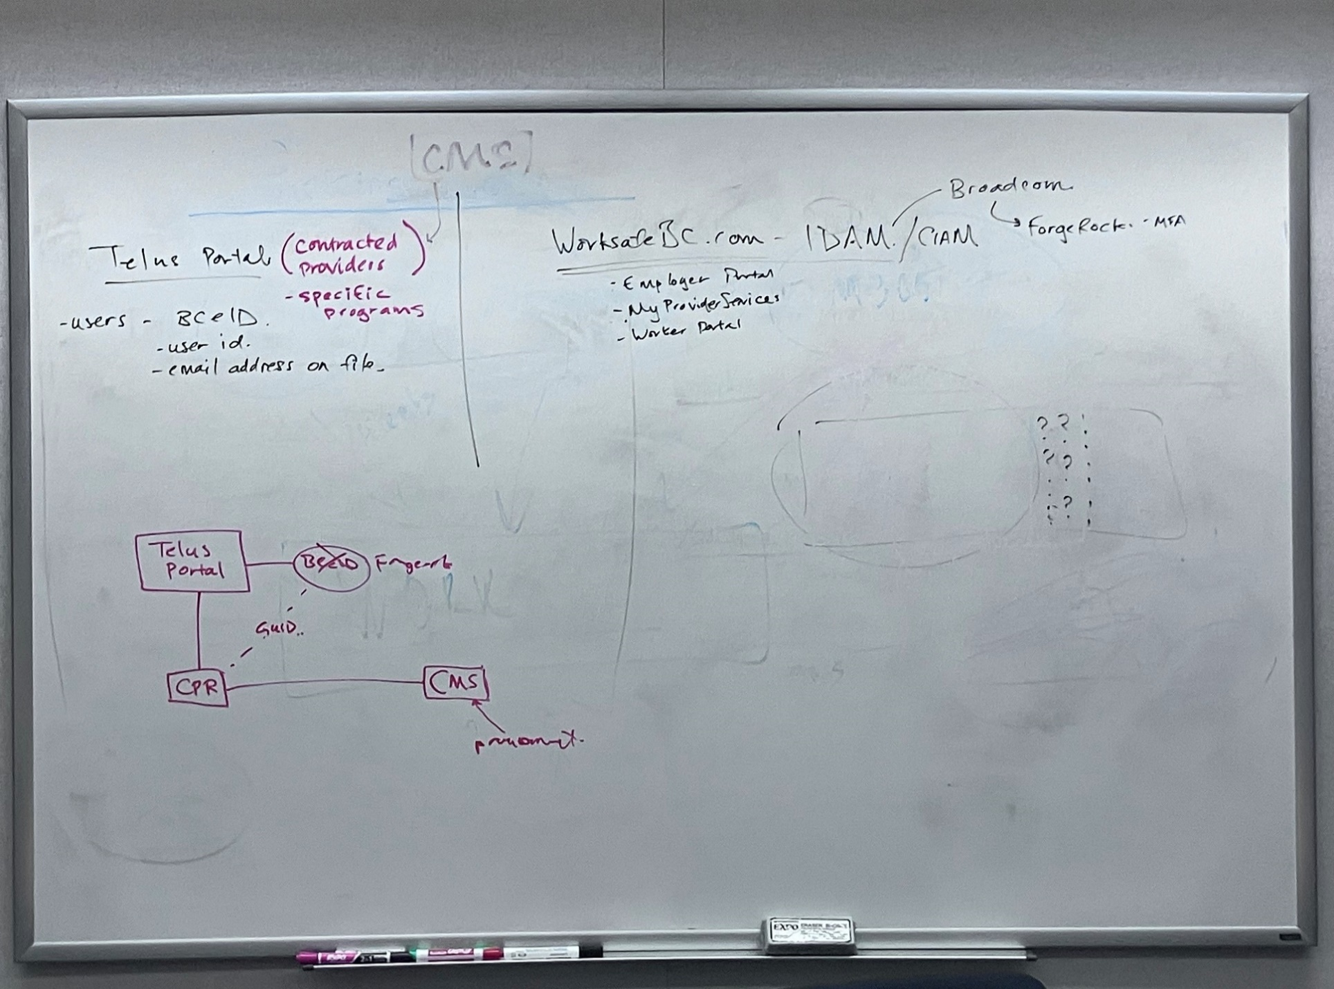
SubGroups - Types of Accounts
 | WSBC .com account
 |  | Using exisitng UserID & Pwd
 |  | Need to be careful on ID whether they are using existing WSBC accounts that they have as 1. As an Employer vs 2. what they are using for BCeID
 |  | Employer Account
 | myProviderServices Account
 | ForgeRock Account

 | Note difference btw
 | BCeID | UserName & PWD
 | WSBC | Email & Pwd

Authentication
 | Current setup - anyone can create an account - Generic - no /min functonality
 | They need to associate with a Payee # to begin processing activities
 | need to get setup with myTelusProviderProtal
 |  | then associate w/ Payee# and assigned a contract

Onboarding Documentation
 | Manuals for every contracts have insert to reference - boilerplate updates
 | Procurement Legal Contract & Procurement
 | Fiona's team
Start Comms in January
Hit Big Bang Cutover in Feb

Next Steps
CIAM Security - liaise - (IDAM/FOrgeRock?CIAM) - to understand their support framework - and ensure it exists - if so insert Providers into this channel
 | Login Support
 |  | Lynn Murehead - or her sr Vanessa Norton - for Support framework
 |  | Existing SNOW framework
 | Create an FAQ
 | Escalation Path

1st Comms
 | Telus Splash Page - Customizable - and frequency
 | 1 month lead time to make aware upcoming
risky - > | could ask to valdiate emails and if want to change eail address - to do so with Telus - BUT risk of WSBC being able to capture this change midstream
 | would be a validation exercise between TELUS -> WSBC / CPR Side / BCeID side - could stall

A | Main Comms for those w/o Forge Rock account
B | Seperate comms for those that already have a Forge Rock Account

----------------------------------------------------------------------------------------------------------------------------------
Oct. 7 Meeting Summation:
meeting held on October 7, 2024, discussing the transition to a new email and password authentication system for providers using the Telus provider portal. The participants address various concerns, including communication strategies, support mechanisms, and potential issues with user accounts.

Decision on Email Addresses: The team decided to use existing email addresses for the transition without allowing immediate changes, with users being able to update their emails through ForgeRock later.
Stale Accounts: There is an awareness of stale accounts that may not respond to communications, and a cleanup activity might be necessary 90 days after the transition.
Communication Plan: The communication plan includes multifaceted messaging through the splash page on the provider portal and email communications to ensure users are informed about the changes.
Support Framework: The need for a temporary support framework during the transition and a sustained support model for ongoing assistance was discussed, with the help desk being a critical component.
Provider and Organization Relationships: The complexities of healthcare providers working for multiple clinics and the need to maintain their unique identifiers (GUIDs) during the transition were highlighted.
Impact on Existing Users: The transition will impact users differently based on their current access levels, and communications will be tailored to address these differences.
Authentication Changes: The new system will use email addresses and passwords for authentication instead of BCE ID, and users will need to reset their passwords.
Timeline for Transition: The transition is planned to start communication in January and implement changes in February to avoid the holiday period.
Updating Onboarding Documentation: All onboarding documentation will need to be updated to reflect the new authentication process.
Ensuring Valid Email Addresses: Users will be asked to validate their email addresses, and any changes must be communicated to Telus to ensure the transition uses up-to-date information.

Key points regarding user ID issues / stale accounts include:
1. Stale Accounts: There is an awareness that some accounts may be stale, meaning that the users associated with these accounts might not respond to communications1. This could lead to difficulties in resetting passwords, as the reset links would be sent to these outdated email addresses
2. Email Address Validity: Some users might have email addresses that are no longer active or that they do not check regularly. This could lead to difficulties in resetting passwords, as the reset links would be sent to these outdated email addresses
3. Communication Challenges: There might be a need for a cleanup activity 90 days after the initial communication to address any stale accounts that did not respond
4. Support Framework: There is a need for a support framework to assist users during the transition period, especially those who might face issues due to stale accounts
5. Unique Identifier Code: Every user that has a BCEID has a unique identifier code (GUID). This code is sent from the BCID platform to Telus, and it is crucial to maintain this code to keep the implementation simple5. The plan is to map the new ForgeRock ID with the existing BCEID identifier to ensure that all relationships and access remain intact

The support framework discussed includes several key elements to assist users during the transition period and beyond:

Communication Plan: The splash page on the Telus provider portal will be used to inform users about the new login process and password reset procedures. This splash page will be regularly updated with relevant information and will be up for a month before the cutover date
Cutover Date: The communication plan suggests having the splash page message up until January 1st, with the cutover date determined based on the communication plan
Temporary Support: During the transition period, there will be a temporary support team designated to handle user inquiries and issues. This team will be responsible for answering frequently asked questions (FAQs) and logging any issues that arise
Higher Support During Launch: There will be a need for higher support, especially on the actual launch day and the launch week. This will involve having a hotline or a designated team to answer user questions and provide assistance
Ongoing Support: After the transition period, there will be a need for ongoing support to assist users with any login-related issues. This support will be provided by the existing help desk, which will be equipped with a specific FAQ sheet and information to handle these types of questions
Help Desk: The help desk will act as the primary point of contact for users experiencing issues. If the help desk cannot resolve a problem, they will forward the call to the appropriate business team or the Telus support team

The FAQs (Frequently Asked Questions) provides answers to common questions users might have during the transition to the new login process and password reset procedures. Here are some key points:

1. Login Issues: Users might face issues logging in if their email address associated with the CPR and BCE ID is outdated or inactive. The FAQ section addresses how to update email addresses and reset passwords
2. Communication Plan: The FAQs explain the communication plan, including the use of a splash page on the provider portal and email communications to inform users about the new login process
3. Support Framework: The FAQs detail the support framework, including the temporary support team during the transition period and the ongoing support provided by the help desk
4. Account Management: The FAQs cover how users can manage their accounts, including updating email addresses and accessing different services within the provider portal

Sample Communication messaging:
To update your email address, you can follow these steps:

1. Login to the Provider Portal: Use your current email address and password to log in to the provider portal.
2. Access Account Settings: Once logged in, navigate to the account settings or profile section.
3. Update Email Address: Look for the option to update your email address. Enter your new email address and save the changes.
4. Verify New Email Address: You may receive a verification email at your new email address. Follow the instructions in the email to verify your new address.
If you encounter any issues or need further assistance, you can reach out to the support team through the contact information provided on the splash page or the help desk1.

To reset your password, you can follow these steps:

1. When you are presented with the login screen, click on the "Reset your password" link.
2. This will send an email to the email address associated with your account.
3. Open the email and click on the password reset link provided.
4. Follow the instructions in the email to create a new password.
If you encounter any issues, such as not receiving the email or having an outdated email address on file, you can refer to the splash page on the provider portal for additional instructions or contact the support team for assistance12.

To contact the support team, you can follow these steps:

1. Splash Page: Check the splash page on the provider portal for contact information. This page will be regularly updated with relevant information, including contact details for the support team1.
2. Help Desk: You can reach out to the help desk by calling the phone number provided on the Help Center page of the WorkSafeBC website. This number is a toll-free 1-888 number2.
3. Email: If you haven't received an email with the necessary information, the splash page will provide an email address or a phone number to contact for further assistance1.
If you encounter any issues or need further assistance, these resources should help you get in touch with the support team.

Transition Period
The transition period involves several key activities to ensure a smooth changeover to the new login process and password reset procedures. Here are the main points:
The transition period will include a temporary support team designated to handle user inquiries and issues. This team will be responsible for answering frequently asked questions (FAQs) and logging any issues that arise.
Additionally, a splash page on the provider portal will be used to inform users about the new login process and password reset procedures. This splash page will be regularly updated with relevant information to keep users informed
During the transition period, there will be a need for higher support, especially on the actual launch day and the launch week. This will involve having a hotline or a designated team to answer user questions and provide assistance.
After the transition period, ongoing support will be provided by the existing help desk, which will be equipped with a specific FAQ sheet and information to handle these types of questions
The help desk will act as the primary point of contact for users experiencing issues. If the help desk cannot resolve a problem, they will forward the call to the appropriate business team or the Telus support team

The next steps with Telus involve several key actions to ensure a smooth transition to the new login process and password reset procedures. Here are the main points:
1. Communication Plan: We need to use the splash page on the Telus provider portal to inform users about the new login process and password reset procedures. This splash page will be regularly updated with relevant information to keep users informed
2. Temporary Support: During the transition period, we will designate a temporary support team to handle user inquiries and issues. This team will be responsible for answering frequently asked questions (FAQs) and logging any issues that arise
3. Ongoing Support: After the transition period, ongoing support will be provided by the existing help desk, which will be equipped with a specific FAQ sheet and information to handle these types of questions
4. Help Desk Coordination: We need to coordinate with the help desk to ensure they are prepared for the increased volume of inquiries during the transition period. This includes providing them with an FAQ sheet and advance warning about the changes
5. User Communication: We will send out emails to all users informing them about the new login process and password reset procedures. This communication will include instructions on how to update their email addresses and reset their passwords
6. Monitoring and Cleanup: We will monitor the response to the communication and perform a cleanup activity 90 days after the initial communication to address any stale accounts that did not respond
These steps will help ensure a smooth transition for users and minimize any potential issues with stale accounts or login difficulties.

Oct. 9 BES Sponsor Meeting
Health Care Programs - Document Update Reqts:
Procurement Legal
Contract & Procurement
Risk Issue:
Emailing to Providers to their BCeID email addressess
users email addresses associated with their original BCeID accounts - any comms sent this channel may be overlooked as it may be old stale/ or an address not frequently checked.

Exploratory - Use of MS Dynamics? (unsure which sales software being referred to here) could be used to deliver targeted mass email campaign sourced from Health Care Programs Email contact databases?
 | Distribution lists to all our providers
 | Obtain distribution lists from Health Care Programs (GJ)

New Task - Clean up of inactive accounts - existing accounts - that dont need to b e kept - look into decomissioning / offboarding

Potential to have a test pilot end user group to test out adoption of cutover tactics

Oct. 11 CiAM / IDAM - Change Management shared experience meeting

Rescheduling to Fri. Oct 11per Stacey’s request
-------------------------
Adding Chloe – rescheduling to Monday – found a time that works (hopefully for us all)
-------------------
Hi Stacey,
I hope this message finds you well. Looking to set up an introductory conversation on this.
Our team is currently managing the TELUS Provider Portal end users' IDAM migration from BCeID to the Forge Rock solution.
As part of this process, we are developing the Change Management plan for the HC provider end user groups.
We are aware of the broader CIAM initiative and would like to connect with you to gather insights on any synergies and learnings. Specifically, we are interested in any end user realignment solutions, approaches, or tactics that we can adopt or align with from the larger Change Management exercise currently underway for WSBC.
If there are any communication materials or strategies your team is using that could be applicable to our Provider user groups, we would greatly appreciate your sharing them with us.
Thank you for your time and assistance. Looking forward to our discussion.
Best regards,
Douglas Corkery
--------------------------------------------------------
Schoffer, Stacey <Stacey.Schoffer@worksafebc.com>; Dodani, Khushboo <Khushboo.Dodani@worksafebc.com>; Ernst, Chloe <Chloe.Ernst@worksafebc.com>
Sandhu, Harminder <Harminder.Sandhu@worksafebc.com>

----------------------------------

Align CIAM Change Mgmnt Plan and COmms plan

Specific comms to provider group
Profile and admin settings for HC providers

Stacey -
per Garima - CIAM shouldnt affect Telus Logins - no specific comms targeting Telus
Chloe
CIAM did meet with or have some documenation aarising from their meetings with Business Areas - whih they prepared materials to insert into their streasm - series of pdf's and videos and written instructions targeted at providers
Carly Higgins - key stakeholder with Providers (Sr. Mgr HC Programs)
Anna Lam - HC ops

H - query if:
GO Live FAQ's - were they created

Transfer calls to the support resources

Help Desk support during launch?
Vannessa Norton and Help desk team - do they need to be informaed that they will get increase of calls? |  |  |  |  |  |  |  | For our team - Liaise with Vannessa Norton for BCeID
Many - lead for the help desk
wanted to see the sandbox

Only users that have a WordSafeBC account is covered under CIAM efforts - and its NOT BCeID related
Those providers that dont have a WorkSafe BC account will not be covered under the CIAM effort

Support team is setup and ready for CIAM efforts.

References from Chloe's & Staceys IDAM Comms plan (WIP)

 | Resources - external:
 | · WorkSafeBC - Online - Help Centre
 | · Online Services Third Party Access Guide | WorkSafeBC (pdf) |  |  |  |  | De-comissioned in 2028/2019. My provider services is relevant now
 |  | Creating an online services account as an employer | WorkSafeBC (pdf)
 | · Creating an online services account as a worker | WorkSafeBC (pdf)
 | · Creating an online services account as a health care or service provider | WorkSafeBC (pdf)
 | · Creating an online services profile for employers | WorkSafeBC (includes video)
 | · Creating an online services account as a worker | WorkSafeBC (includes video)
 | · Creating an online services account as a provider | WorkSafeBC (includes video)

 | Resources – internal:
 | · Assessments: Appl Manual (IDAM) Identity Access Management.docx (sharepoint.com)
 | · Claims: WPM Home - Home (sharepoint.com)
 | · I&T Services Portal knowledge base (for technical support staff)
 | · Innovation and Technology - IDAM/WORKER: Signing up for online services - I&T Services Portal (service-now.com)

Oct. 16 CM Team meet # 2

What happens if a user changes their CIAM account username/email address?
They will not be able to log-in to the portal because the Telus Central provider registry will not have that information
Mitigation:
We need to lay out the steps necessary to change their username/email
1. Let them know that the portal will be disabled until Telus updates their profile information
2. Update username on CIAM
3. Email Telus to let them know that a username was changed.
What happens when a user has a CIAM account that is a different email address from their BCeID email address?
We would need them to let us know (it would need to be a part of the same username change communication).

Khush update in meet w/ Garima from Oct. 3

 | Summary of Meeting Discussion Topics:
 | Email Address Changes for Providers:
 | Importance of allowing providers to change their email addresses immediately after migration to Forge Rock.
 | Potential issues if providers cannot update their email addresses, such as inability to reset passwords. 1
 | Discussion on whether to allow email changes before or after migration. 2
 | Communication and Migration Plan:
 | Proposal to send out communication to providers about the upcoming changes and give them a window to update their email addresses. 3
 | Consideration of a seamless transition to avoid confusion among providers. 4
 | Technical and Process Considerations:
 | Discussion on the technical feasibility of updating email addresses and the potential need for an API to synchronize changes with Telus. 5
 | Consideration of the timing and coordination with Telus for the migration process. 6
 | Decisions Made:
 | Providers must have the ability to change their email addresses immediately after migration to avoid issues with password resets. 7
 | The migration cutover date is tentatively set for February 20th or 21st, with a preference for a weekend to minimize disruption. 8
 | Communication will be sent to providers two weeks before the migration, informing them of the changes and the steps to update their email addresses if needed. 9
 | Change Activities Needed:
 | Communication Plan:
 | Draft and send out communication to providers about the upcoming changes and the steps to update their email addresses. 9
 | Include FAQs and support information in the communication to address potential provider questions. 10
 | Technical Preparations:
 | Develop and test the necessary API for synchronizing email address changes with Telus. 5
 | Preload all accounts and prepare for the cutover activities, including changing the URLs for the endpoints. 11
 | Coordination with Telus:
 | Ensure clear communication with Telus regarding the migration timeline and technical requirements. 6
 | Coordinate with Telus to obtain a list of all users and compare it with the current CIAM list to identify overlaps. 12
 | Tasks and Next Steps:
 | Harminder:
 | Add the communication plan to the overall migration plan and check in with the team on timing. 13
 | Coordinate with Telus to obtain the necessary user lists and ensure technical preparations are on track. 12
 | Lyle:
 | Investigate the possibility of providing messaging to users about the impact of changing their email addresses. 14
 | Assess the volume of logged-in users at different times to determine the best time for the cutover. 15
 | Fiona:
 | Prepare to handle provider inquiries and direct them to the appropriate support channels. 16
 | Douglas:
 | Finalize the cutover date and ensure all stakeholders are informed and prepared for the migration. 17
 | Khushboo:
 | Include Josh Campbell in future change management meetings to represent healthcare operations. 18

 | Action Items:
 | Email Address Change Communication:
 | Send a communication piece to providers asking them to verify if they want to continue with the same email address or change it within BCeID before the cutover. (Khushboo) 1
 | Cutover Date Planning:
 | Determine a firm cutover date for the transition, considering the workload and availability of key team members. (Harminder, Lyle) 2
 | Volume Assessment:
 | Conduct a volume assessment to determine the best time for the cutover based on user activity. (Lyle) 3
 | User List Comparison:
 | Obtain and compare the list of Telus users with the BCID list to identify overlaps and potential issues. (Harminder) 4
 | Communication Plan Review:
 | Review and finalize the communication plan, including FAQs, to ensure clarity for providers regarding the transition. (Fiona) 5
 | Support Team Preparation:
 | Prepare the support team for potential inquiries from providers regarding the transition and ensure they are equipped with necessary information. (Fiona) 6
 | Inclusion of Key Stakeholders:
 | Include Josh Campbell in future change management meetings to represent healthcare operations. (Khushboo) 7
 | Survey Feasibility:
 | Evaluate the feasibility of surveying providers to gauge interest in changing their email addresses before the transition. (Lyle) 8

Nov 6 BCeID Working Group Meeting

Confirming - Azure user Stories inserted into task queue -
- Still awaiting Garima follow up to confirm technical actioning of tasks
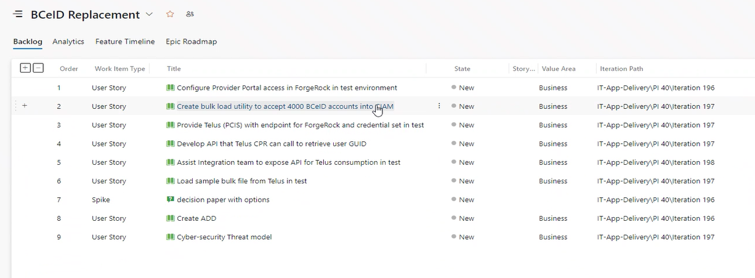

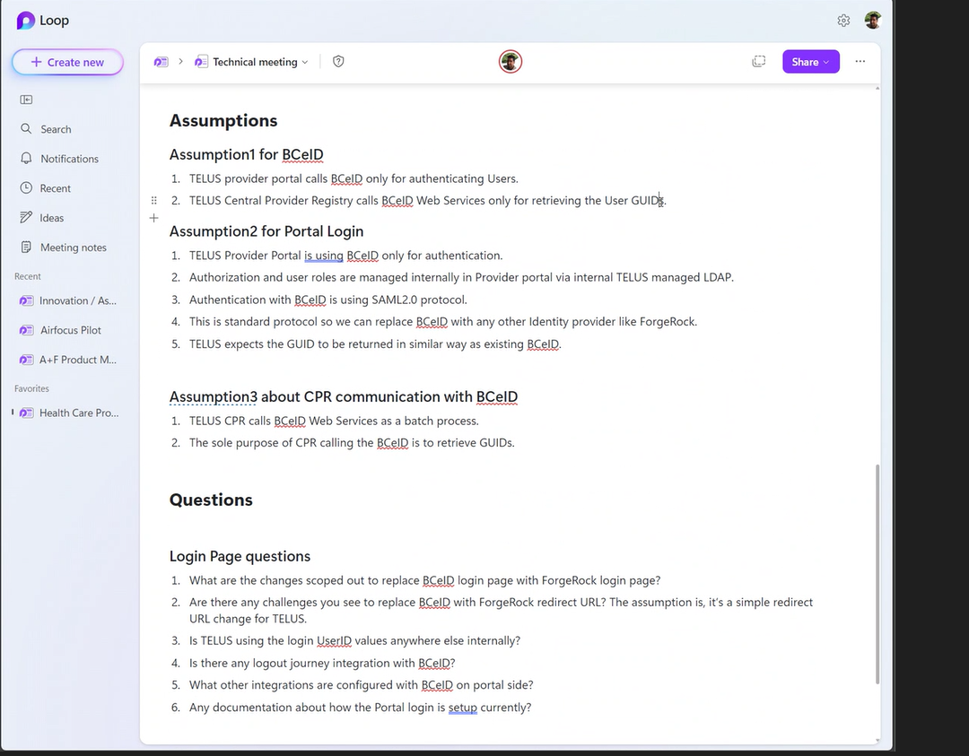

Nov 6 Telus Technical Meeting

Nov 13 Weekly working group Meeting
Diane, Harm, Lyle, Doug, Khushboo,

 | Option to migrate Providers from Telus Portal to ForgeRock
 |  | Can we ourselves, build a bceid login connection to ForgeRock not connected to the Telus portal, but instead on our site as a way to migrate users
 |  | Login with BCeID to create a forgerock account - if it’s possible. We could add it to the splash page where users currently click ‘login with BCeID’.
 |  | it would be the same page they go to now. We would have wording around the existing link saying BCEID is being retired, please create your new ForgeRock account using your BCeID here or something along those lines.

 | Hypothesis: | Retrieve the GUID directly from BCeID w/o involving Telus

 |  | Login w BCeID --> |  | UserName & Pwd - UsesrName is stored in CPR - the UserName will maintain CPR provider profile relationship when transitioned to ForgeRock (new Email registrations)
 |  | Pull BCeID GUID, pull UserName
 |  | Create ForgeRock Account details
 |  | now ForgeRock account is associated w/ BCeID GUID and we now have the right email address

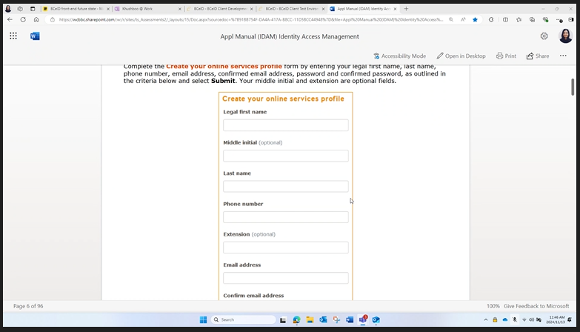
 | Objectives: | Fresh Email address for all Portal users to assign to ForgeRock |  |  |  | ----->
 |  | UserName & Pwd - UserName is stored in CPR - the UserName will maintain CPR provider profile relationship when transitioned to ForgeRock (new Email registrations)
 |  | Provider Email address revalidated - and or created
 |  | Create a ForgeRock acct associated to that Email Address

 | Risks | How do Provider get back to Portal as authenticated user
 |  | Provider may still have to login into Telus w/ old BCeID credientials until we go live w/ ForgeRock
 |  | Will have a population (20%) that we miss in assigning an email address

 | Info Reqts | Need the CPR extract (from TELUS ?) with all Providers User email addressess, id attributes
 |  | -Email addresses, User Names, Addresses, Provider Org names

 | Questionable: | Need ability for provider to create a new account who miss the transition window
 |  | TFIM | WSBC wants to connect to their TFIM system to test replacment priority

Change Management Approach (until Technical POC is confirmed)
1 | Generate FR account for users - WSBC will create for them
2 | Contact all Providers using acct email address (~4 - 5k providers; # admins) |  |  |  |  | Banner, Email admins, contact providers…
3 | - How do we obtain the source Provider email addresses?
 | CPR extract from Telus |  |  |  | First . Last BCeID user name, (some emails some not)
 | BCeID list?
 | Provider Portal List?
 | Will have a population (20%) that we miss in assigning an email address - wont be able to recall email address -
 |  | On our end we have to manually find them or …. Use the Admin for that Provider (should be the main contact point)
 | Replicating a New Registration Process under Forge Rock scenario

 | Could be Dec 15 till we have an actionable List
 | Need to clean up
 | Network Bulletins can be sent
 |  | Need to decide messaging instructions/directions on whatProvider needs to do
Preferred -> | One option is to tell Providers to go onto BCeID and reenter BCeID credentials with updated Email Address (Lyle suggest easiest path)
 | Comm Method-> | Howard can use the provider memo
 | Contact ID Source -> | We will have list from CPR / Provider group - and use these identifications to reach out

BCeID - Bcgov Page
 | user enters BCeID user name
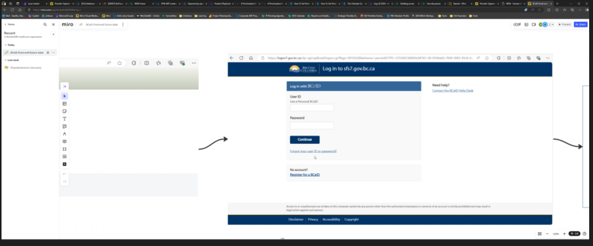
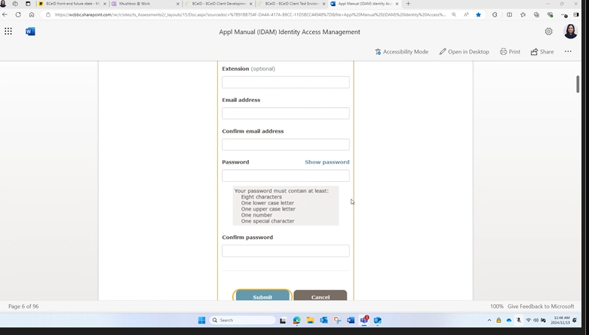

Telus Portal Splash Page
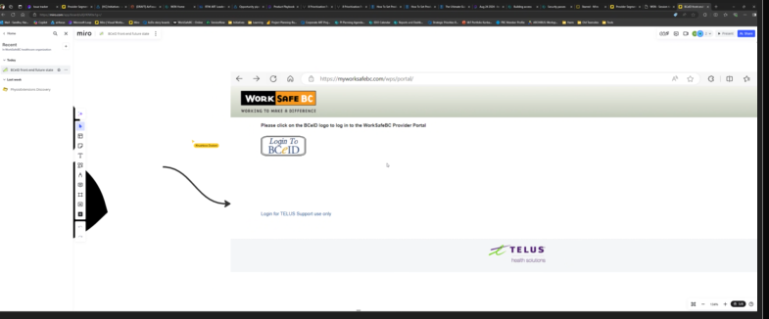

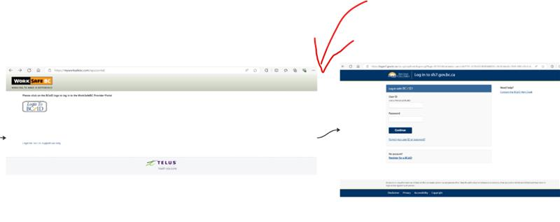

Nov. 15 Capturing email addresses from Provider Portal users - Brainstorming session
Lyle, Harm, Doug, Khushboo, Howard, Guy Turik

This meeting it to brainstorm ideas around capturing the preferred email address each portal user would like us to use when setting up their new ForgeRock account.
The email address is a key data element for account creation in ForgeRock

Guy, we have invited you as you can speak to concerns around securing data in an anonymous app and how we might intercept the login process.

Heres the tail end of the screen shares recording from the brainstorming session
 | Capturing email addresses from Provider Portal users-20241115_142138-Meeting Recording.mp4

[BCeID Integration and User Authentication]:
Key Challenge: The main issue discussed was the integration of BCEID with the new system, particularly the need for email addresses to authenticate users. Without email addresses, the system cannot function properly.

Proposed Solution: Guy suggested creating a custom BCEID property in the LDAP instance to handle both old and new users. This property will be used for authentication and will be included in the SAML token.

Onboarding Process: It was proposed that the onboarding process should include collecting email addresses and phone numbers from users. This information will be used to create user accounts and send password links for initial login.

Manual Effort: There was a discussion about the manual effort required to update the BCEID system with email addresses before it is terminated. This involves asking users to provide their email addresses and updating the system accordingly.

[Technical Integration and API Calls]:

API for New Users: An API will be created to handle new user registrations. This API will generate a custom BCEID property and return it to the Telus system.
Existing Users: For existing users, the system will check if the email address already exists and return the corresponding BCEID. If the user is new, the system will create a new user account and send a password link.

[Action Items]:

Guy to create a custom BCEID property in the LDAP instance for both old and new users.
Howard to discuss with Telus about the possibility of extracting email addresses from the BCEID system and providing a CSV file with the necessary information.
Khushboo to check with Mohita and Tanisha about the availability of test accounts for the Telus health portal.

[Next Steps]:

Follow-up Meeting: A follow-up meeting will be scheduled to discuss the email change process and how it will reflect in the Telus system.
Documentation: Guy will provide a sample CSV file with the required data elements for the conversion process.

Microsoft Whiteboard |  |  | BCeID - Capturing email addresses from Provider Portal users | Microsoft Whiteboard

Summary from the brainstorm session w/ Suman & Guy Turik

Key Topics:

Custom Property for BCE ID: Turik explained the need to add a custom property called BCE ID GUID to the user profiles, which will be used for authentication purposes. This property will be included in the SAML token provided during login.

Email Address Requirement: Suman and Turik discussed the necessity of having an email address for user authentication in their system. Turik emphasized that without an email address, users cannot be integrated into their system.

Provider Portal Integration: Lyle and Turik discussed the integration of their system with the Telus provider portal, focusing on maintaining user-provider relationships and ensuring that users can select their active provider from a dropdown list.

Simplified Migration Approach: Lyle mentioned that instead of engaging in a costly process improvement discussion, they decided to replace BCE ID with a like-for-like system to meet the March deadline.

New User Registration Process: Turik and Suman debated the process for registering new users, particularly how to generate and manage BCE IDs for new users who only provide an email address. They considered the possibility of using an API to handle this.

Manual Data Entry for Onboarding: Khushboo shared that the current onboarding process involves manually entering user details into an Excel sheet, which is then used to update the system. This process will need to be adapted to include email addresses.

Handling Existing Users: Turik and Suman discussed how to handle existing users who are already registered with the system, ensuring that their BCE IDs are correctly populated and returned to Telus.

Next Steps and Action Items: The team agreed on several next steps, including creating a list of required data elements for the CSV file, discussing the process with Lyle, and arranging a session to understand the capabilities of the Telus provider portal.

Summation on brainstorming session on user migration
Handling Existing Users:

Existing User Check: Turik and Suman discussed that for users already registered with the system, the process involves checking if the email address exists in the system. If it does, the system will generate a BCE ID and return it to Telus without resetting the password.

Custom Property Population: For existing users, the BCE ID will be populated in a custom field within the user's profile. This custom BCE ID will be used for authentication purposes and returned to Telus.

Avoiding Duplicate Accounts: The system will ensure that if an email address already exists, it will not create a new user but will instead populate the BCE ID in the existing user's profile and return the GUID to Telus.

Manual Data Entry: Khushboo mentioned that the current onboarding process involves manually entering user details into an Excel sheet, which will need to be adapted to include email addresses for existing users.

2024-11-27 | Team Meeting |  |  |  |  |  | POC

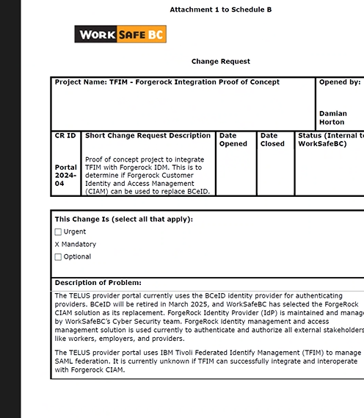
 | Todd Yule connecting w/ TELUS VP to ensure high priority to act on POC efforts ------>

 | Telus may not be able to complete the POC bf the end of the year

 | Suman. Harm Set up first meeting w/ Telus Friday (nov 29) or Monday (Dec1)

Suman to ask Guy Turik to provide Approach Artifacts itemized in CR POC
 | Do we WSBC have the Reqts Artifacts by the time we have the first meeting w/ Telus
 | This is what the POC will include:

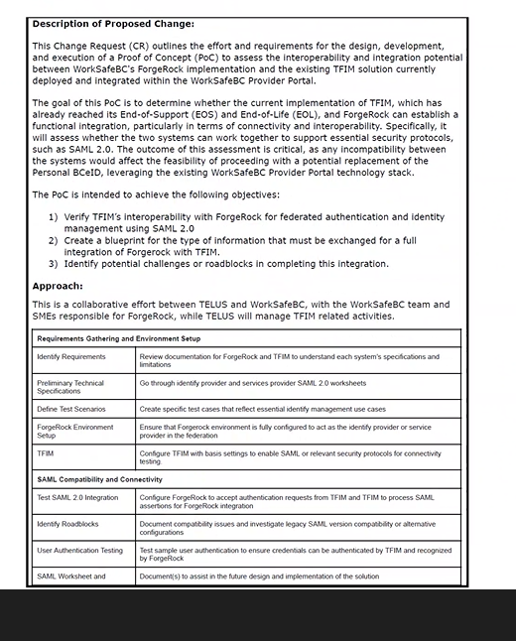

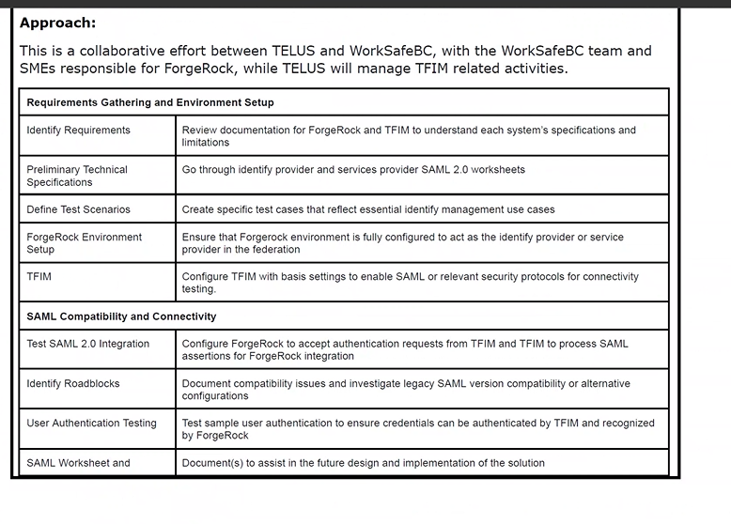

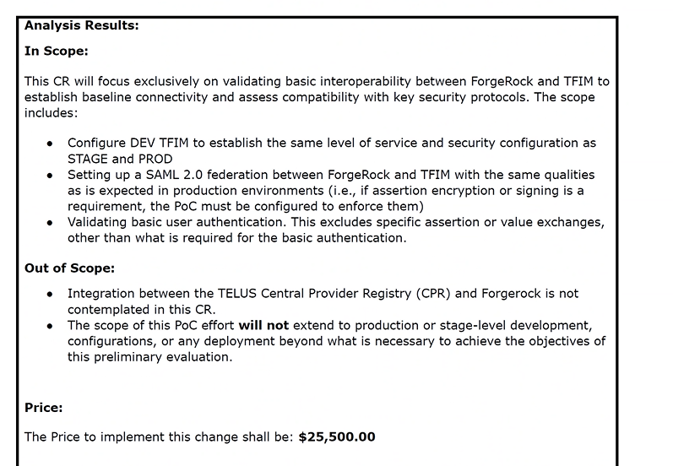

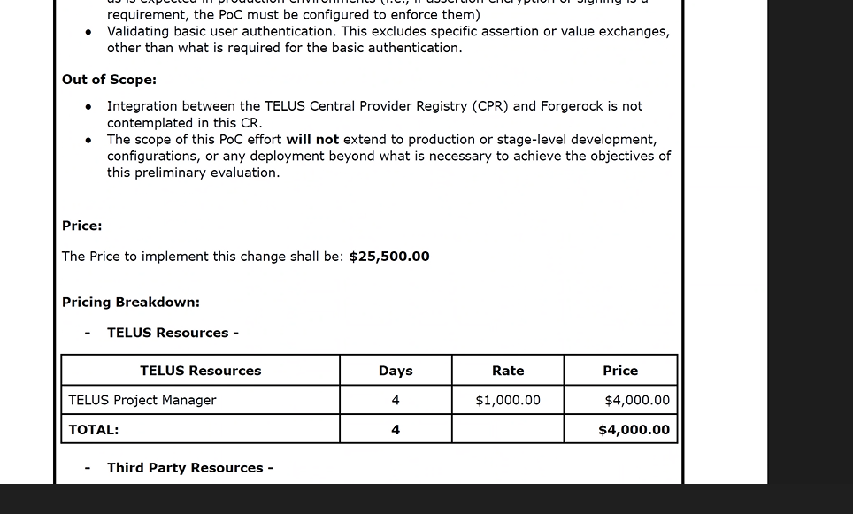

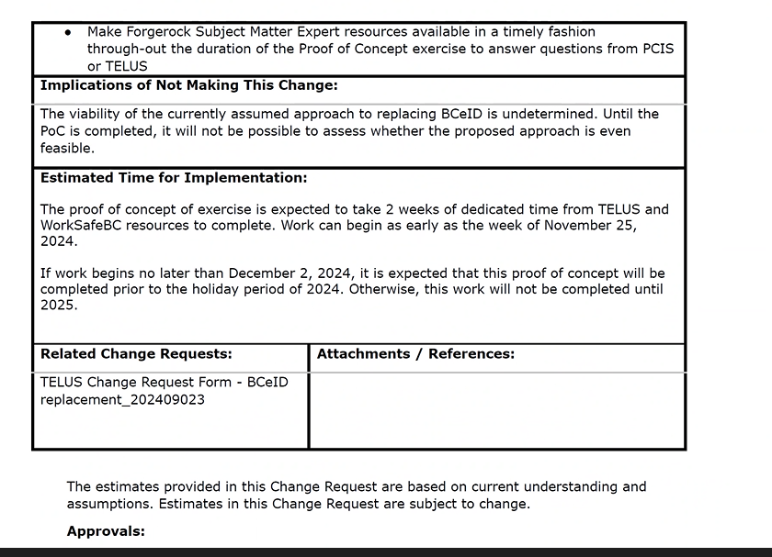

2024-11-27 | Team Meeting - Email addresses

Guy |  | mandatory field list required for Forge Rock
TELUS |  | CPR extract
 |  | Each Practioner (Email, BCeID UserName, GUID) and their associated Payee#s (associated w/ each Employer identification(BusNameID, Address, Admin Name & Address, Tel, Email)

WSBC Provider Portal |  | End users are permissioned to login
MSP

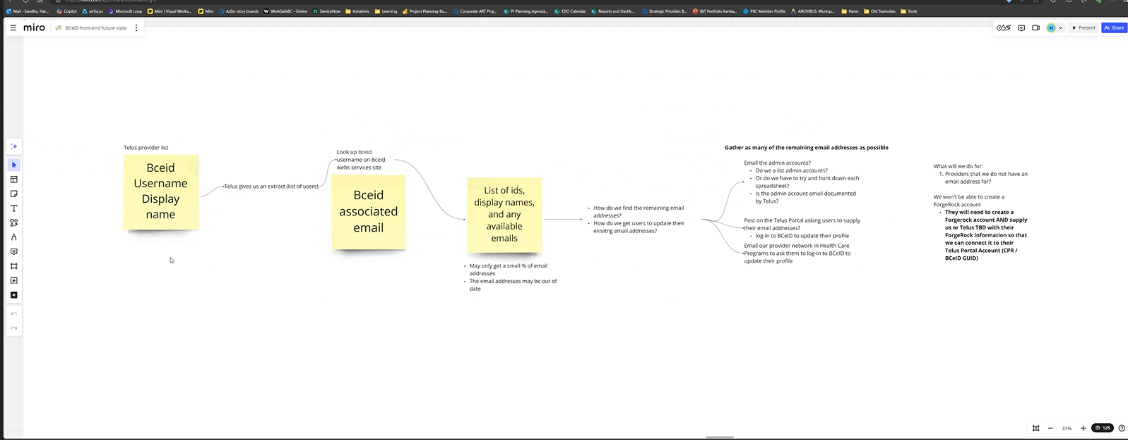

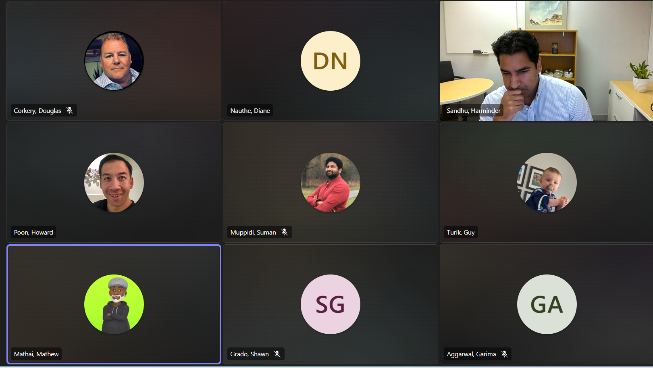
2024-12-04 | Team Meeting

 | POC | Garima and Matthew

 | Guy Meeting with Paul
 | Suman | waiting for some fix with JavaScript
 | Suman | metadata file looks ok

 | Guy | Has to be debugged - not trivial
 |  | from their can figure out how to change the javascript
 |  | will look at the errors log the errors and try to see if they can fix it

 | Todd Yule needs a report when this POC 2 weeks completes

Streams of Work
1 | POC | Connect to Forge Rock

2 | Email Add | Don’t have Providers Email Addresses

 | Tabuli platform?
 | Forge rock alternative that works with tabuli

Garima | SAML v2 | is still req'd regardless of whichever platform
 |  | any other platform would have same challenge

Suman | BC Gov using Siteminder - not a SaaS product

Guy | Wants to Understand Provider vs Personal
Garima | Provider App vs Personal App has different process - our scope is likely Provider Apps
 | MyProvider Apps are Provider Apps
 | Needs to be a Provider Application

 | Payee IDs
 |  | Org has a Payee ID
 |  | One Org may have more than one Payee ID (for each Health Care Provider)
 |  | We have providers associated with different Orgs

 | 2step New User Reg |  | 1. Create a Personal acct
 |  |  |  | For Personal - Any user that creates a Forge Rock User id will have to create a BCeID (Unique GUID)
 |  |  | 2. Convert to Provider Acct while associating their payee ids

 |  | Reliance on Telus for i-scheduler (separate co out of Houston Texas - Telus owns Canadian rights)

Decisions | 1 | We are going with a Provider App.
 | 2 | Encourage Paul to not accept the 32 character GUID

ONBOARDING PROCESS will need to be changed - for Provider Registration
Change Mgmtn Implications
 | For new user registration - this backend LDAP process will change - and the onboarding documentation process needs to be changed to align.
 | -Suman can explain the backend details that drive the front end Provider process (as an end user experience)

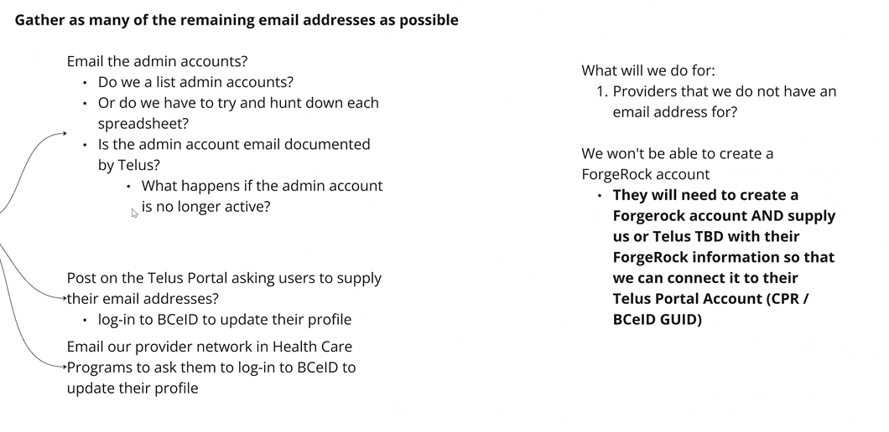
2024-12-05 | Team Meeting
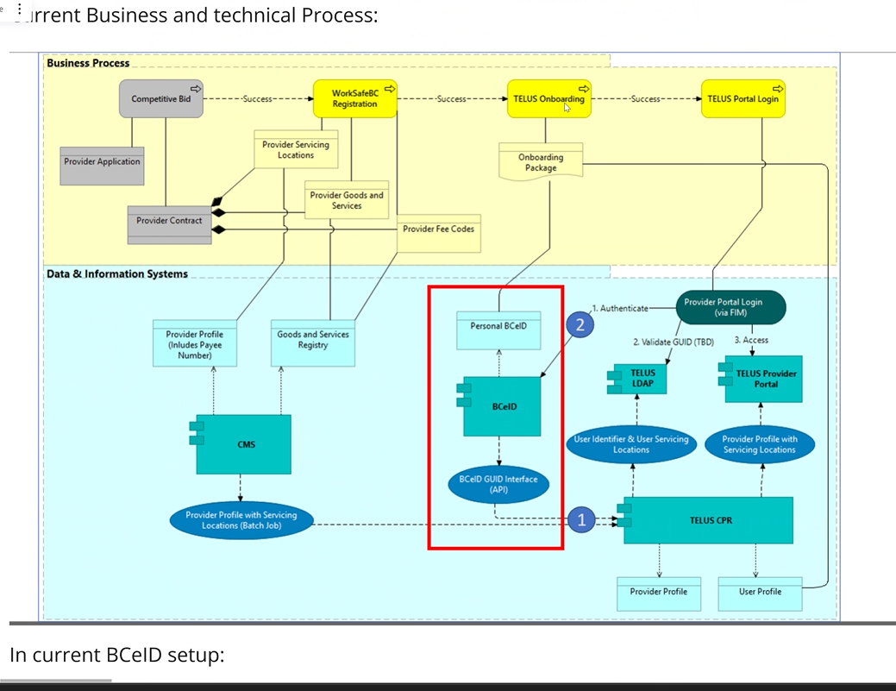
Could be incorrect

Streams of Work
1 | POC | Connect to Forge Rock

2 | Email Add | Don’t have Providers Email Addresses

3 | New user onboarding and the new user journey

Today - focus on #2 Email Add

Options
1 | Ask users to log in to BCeID and update their email addresses
 | - Pull email addresseds from the BCeID webservices
 |  | mb Telus can get us some of these
2 | Ask the Admins to supply us with updated emails from all of their providers

3 | Insert a "Screen" on the Telus Provider to ask Provider to login request to update their email addresses

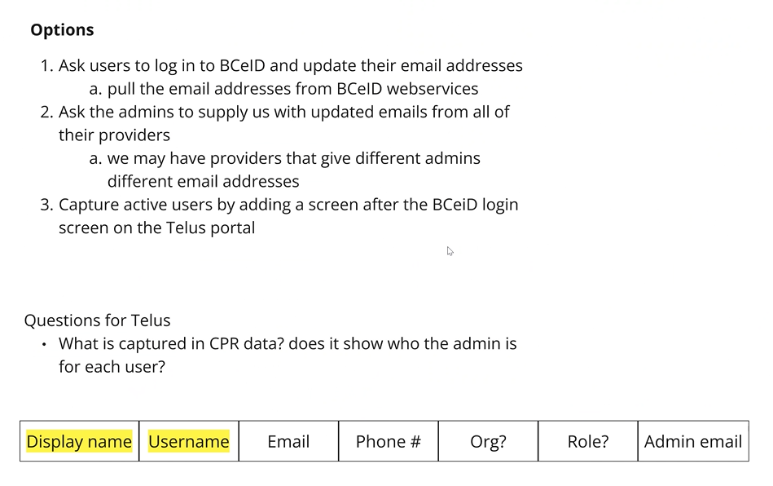
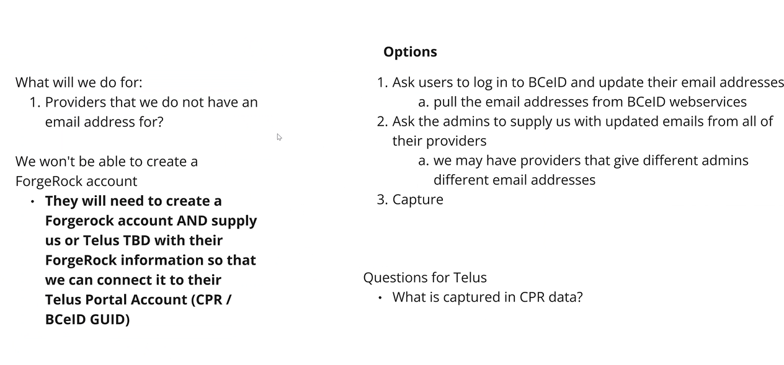
Users that have a BCeID GUID but we don’t have a Forge Rock acct for them
- they would try to login and it would fail so they would reach out to WSBC help to re-register

Q for Telus
 | What is captured in CPR data?
 |  | So we can pair the Providers Email addresses with Provider Attributes
 |  |  | Org
 |  |  | BCeID User Name
 |  |  | DisplayName
 |  |  | Role
 |  |  | Admin Email
 |  |  | Provider Name
 |  |  | Payee #
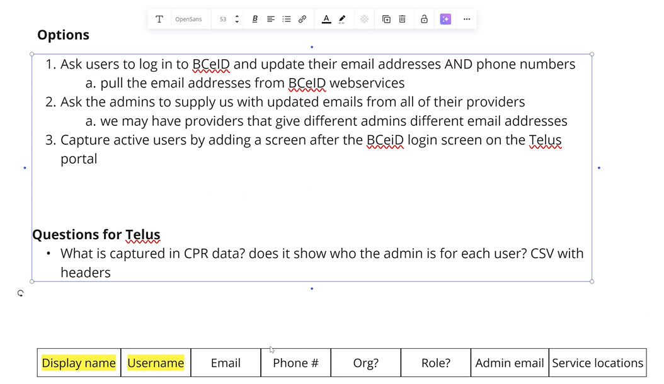
 |  |  | Tel #

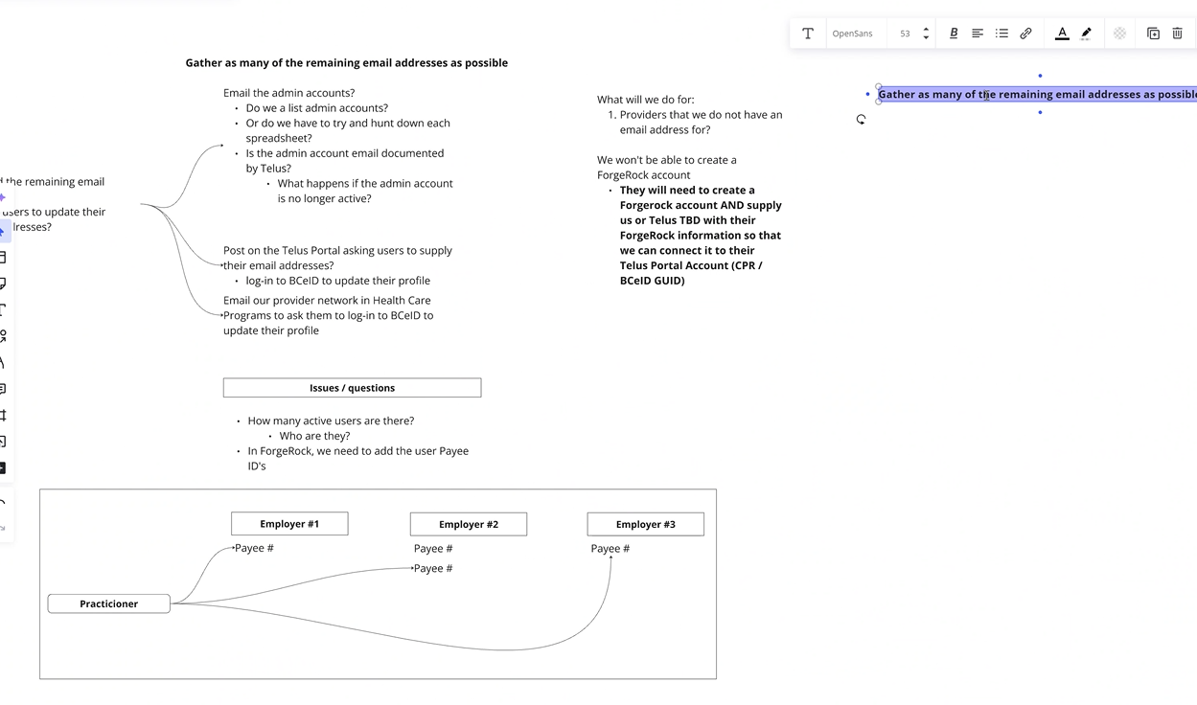
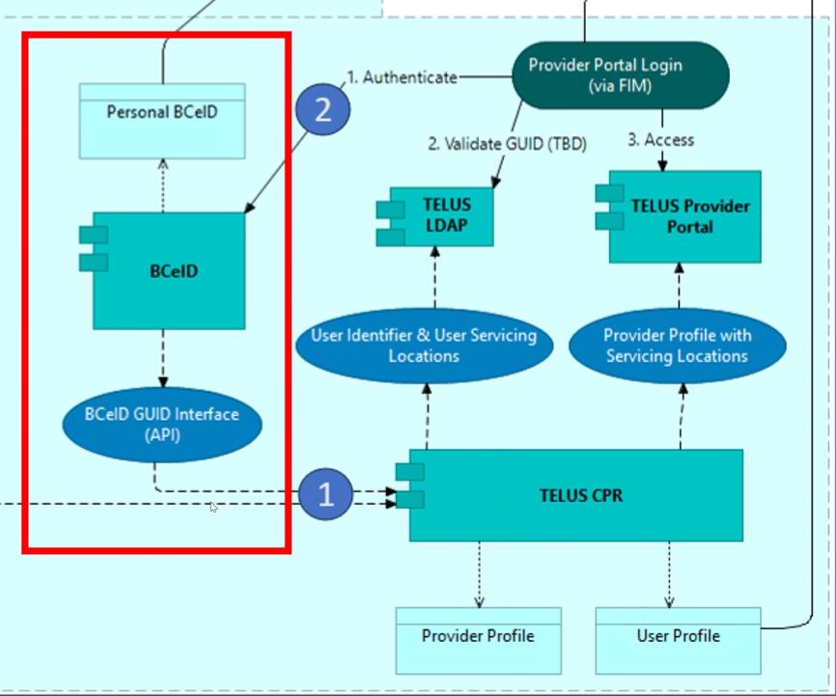

2024-12-11 | Team Meeting

 | PoC Update
Guy Tariq | LogonScreen is Up on WorkSafeBC |  |  |  | Online Portals Login Screen
 | have to adjust the scripting

Suman | Need to also focus on Work on the Assertions with the fields needed ex: (Display Name, … etc

Shawn Grado | Certificates for Signing and Encryption is upcoming
 | Public Key fo the eCert they (Telus?) are generating
 | One public key for both
 | Generate the Certificate on my side …...
 | Use: | Shaw 256

Suman | DevSecOps requires secure
 | Kevin and Dorian as a consultant to orient w/ the issue and give them a chance to come up with a solution
 | captured not as Threat modelling , but captured much earlier so its pre vetted wihtin the PoC
 |  | ie if its not Shaw 256 is it Shaw 1? - an old one
 |  |  | mb Paul has it set up as Shaw 2 - he says it will accept Shaw 256 but unsure if it is tested to confirm

 | Need to test in PoC that signing and encryption works

 | if its not signed how do you know if they are coming from ForgeRock?
 | Has to be secure - especially preventing exposure to personal and medical data.

Next steps
 | Guy wants to see the Script needs to work to authenticate the user - he needs to see the SAML version -
 | If the script works then will send the assertion to Paul and needs to see the assertion works from Paul's side.
 | Concentrate on the encryption and the signing and ensure it works
 | See if the single sign on works
 | and then WSBC will sign it and encrypt it
 | If the Signing and Encryption works then the PoC is proved

 | then Next big step is Design
 |  | PayeeID

 | Change in the Business Process to see if it works

 | Keep the BCeID extension confidential - not inform Telus

Change Mangement tasks to focus on
 | Gathering the Emails

Resource needs
Business Engineer or Product Owner would be good to curate this body of work
Requirements need to be clarified

The PO will have support in January

 | Impact analysis |  |  | Forge Rock cannot connect to the Telus Portal

 |  |  |  | Time
 |  |  |  | Takes more than 6 mos to upgrade system

 |  | Sequence of backup plans

User Groups
Dec 18 Telus CPR LIST | WSBC users Good.xlsx

User group​ | Considerations​ | Questions​ | Decisions/ responses​
All providers​ | Communicate upcoming change of Logon from BCeID to WorkSafeBC​ | Are these emails, calls, in-systems notifications (MPS, Telus, BCeID?)​ | ​
 |  | What is the timeline for this?​
Providers with a Telus account but no WSBC account​ | What exactly are we communicating to them? "starting this date, your login will change. The first time in, you may be prompted to reset your password. Please contact X@worksafebc.com for xyz questions"​ | How long do we want to give users to create new logins?​ | Forgerock is emails only no usernames, therefore we do not need the following​
 |  | What happens if there is no action taken for x period? Do we use defaults for them to use?​ | Does forgerock allow for usernames? ​
 |  | For existing BCeID guids, what will new forgerock usernames look like emails or usernames? ​ | Do we have a preference?​
 |  | What happens if they work for more than one organization? Do we have multiple accounts?​ | Do we give users the option to choose a preference?​
 |  | Are they able to choose the email address or will we automatically choose?​
 |  | BCeID is a personal identity / email, so if we migrate this email address, it's their personal account​
 |  | What happens if they go to WorkSafeBC.com and login with their new ForgeRock account, what appears for them?​
Providers with a pre-existing WSBC account​ | What exactly are we communicating to them? "starting this date, you need to change log in, contact X for xyz questions"​ | Do they need to reset their passwords, or will it be the same as their current ones?​ | This is a separate project and will be managed before bceid transition starts​
 |  |  | Communication to this group is "log in with your existing forgerock account"​

In Scope - Providers with a TELUS account but no WSBC account -
Out of Scope - Providers with a pre-existing WSBC account appx 400 - 500 end users will already have Forge Rock Accounts
5000 total
1600 subs

Priority: | Providers / end users master list | - Require SME to support Tangle Task - End Users with multiple IDs - and re-aligning the end user ID's for migration
 | Complete Universe
 | Types / Classes / Categories
 | Unique User ID methods
 | Registration attributes (Name, BusID, UserID, Email Address(s), Parent/Child association factors

Khush update in meet w/ Garima form Oct. 3

BCeID Change Management.pptx
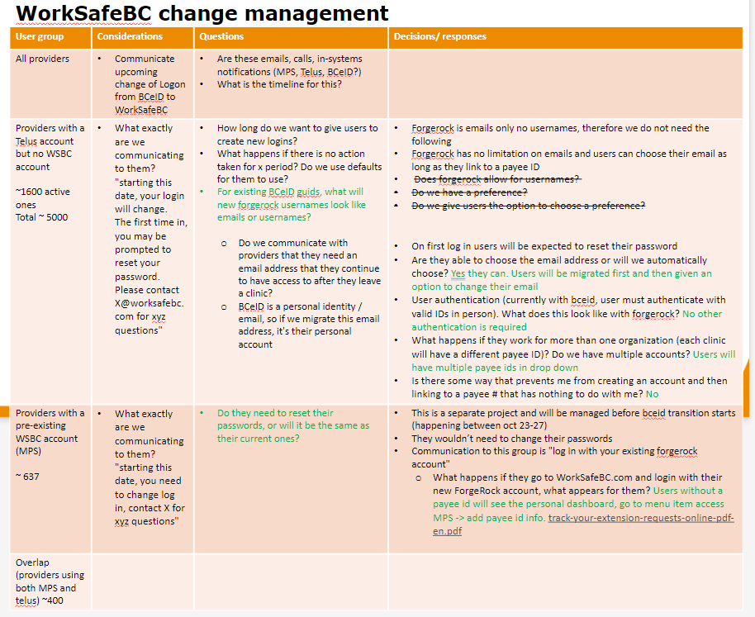
 |  |  | Provider User Lists | Source
 |  |  | Extract Telus / BCeID | TELUS
 |  |  | Compate w/ CIAM list to see overlap | Uncertain - possibly provide Telus list to Garima's & they run a match / compare and provide a report back to our team

TELUS
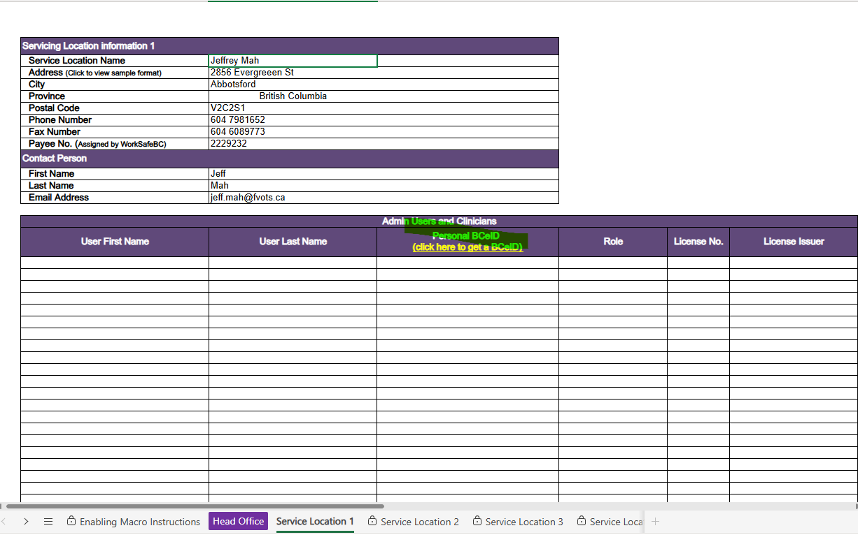
Issue# | Added By | Added Date | Issue Description

 | Suman & Lyle | Oct.1 | To clarify any uncertainty we have around BCeIDs, we should ask Telus for an extract from CPR at their earliest convenience. We can then look at the data and identify any issues we might have.
 | Khushboo Dodani | Oct. 1 | providers currently need to fill out an excel sheet with telus with their bceids. this will need to change to forgerock ids. this is probably a change management task from telus' side but something we need to make sure gets done too. we may want to think about how to coordinate change management in between telus and wsbc

The next steps with Telus involve several key actions to ensure a smooth transition to the new login process and password reset procedures. Here are the main points:
1. Communication Plan: We need to use the splash page on the Telus provider portal to inform users about the new login process and password reset procedures. This splash page will be regularly updated with relevant information to keep users informed
2. Temporary Support: During the transition period, we will designate a temporary support team to handle user inquiries and issues. This team will be responsible for answering frequently asked questions (FAQs) and logging any issues that arise
3. Ongoing Support: After the transition period, ongoing support will be provided by the existing help desk, which will be equipped with a specific FAQ sheet and information to handle these types of questions
4. Help Desk Coordination: We need to coordinate with the help desk to ensure they are prepared for the increased volume of inquiries during the transition period. This includes providing them with an FAQ sheet and advance warning about the changes
5. User Communication: We will send out emails to all users informing them about the new login process and password reset procedures. This communication will include instructions on how to update their email addresses and reset their passwords
6. Monitoring and Cleanup: We will monitor the response to the communication and perform a cleanup activity 90 days after the initial communication to address any stale accounts that did not respond
These steps will help ensure a smooth transition for users and minimize any potential issues with stale accounts or login difficulties.

